Sheet1
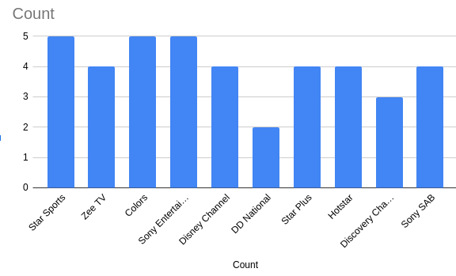
Star Sports
Star Sports
Star Sports
Star Sports
Star Sports
Zee TV
Zee TV
Colors
Colors
Sony Entertainment Television
Sony Entertainment Television
Disney Channel
Disney Channel
DD National
DD National
Star Plus
Star Plus
Hotstar
Hotstar
Discovery Channel
Sony SAB
Sony SAB
Colors
Sony Entertainment Television
Sony Entertainment Television
Disney Channel
Disney Channel
Star Plus
Star Plus
Hotstar
Hotstar
Discovery Channel
Discovery Channel
Sony SAB
Sony SAB
Zee TV
Zee TV
Colors
Colors
Sony Entertainment Television

